User Guide Data Source
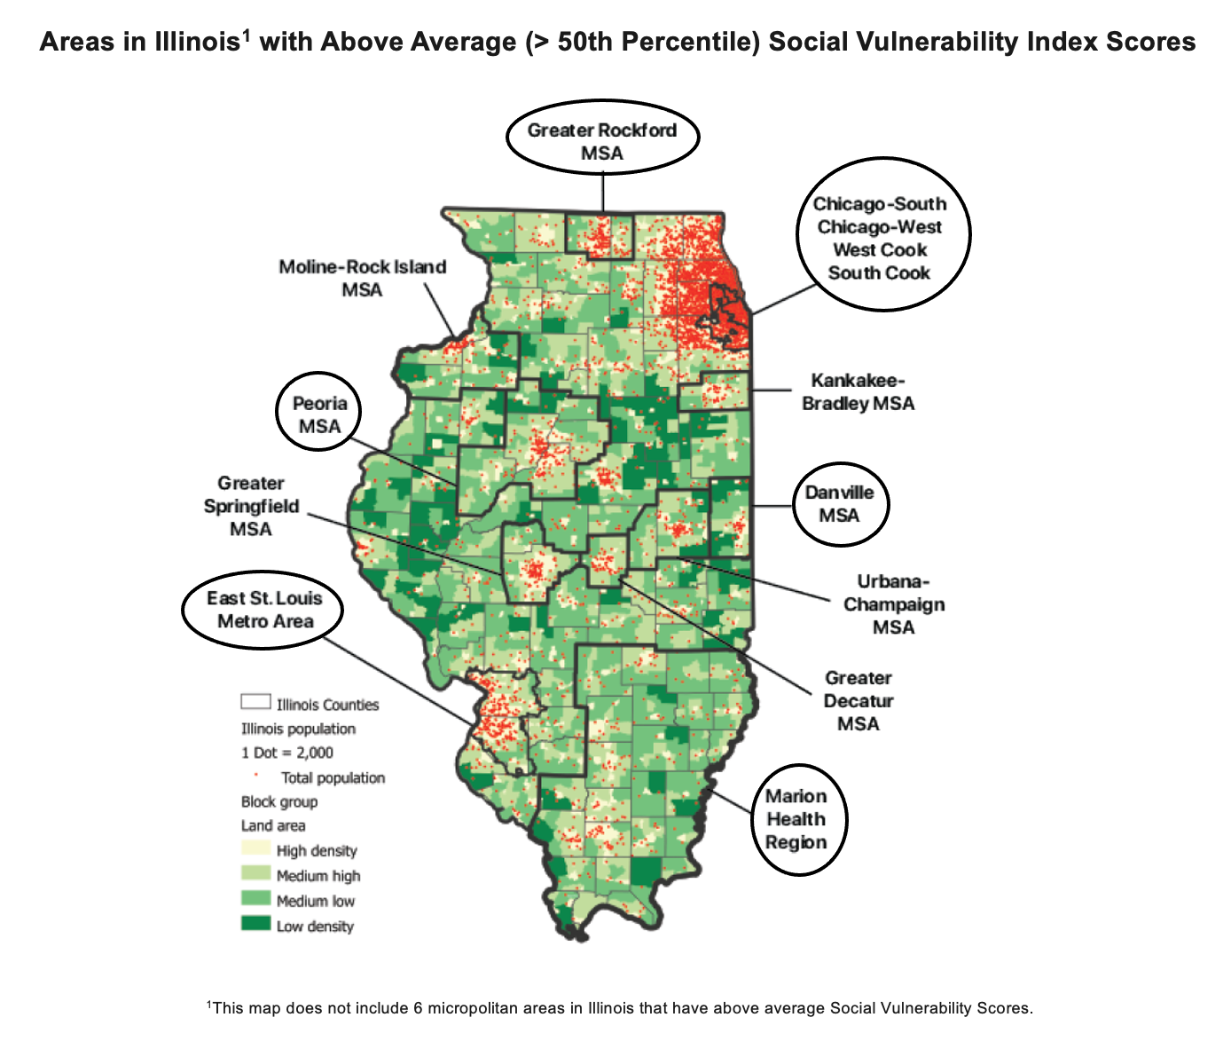
Data Source:
Illinois Department of Healthcare and Family Services. (FY2019 and FY2020). Institutional Medicaid Claims. Illnois: HFS Data Analytics.
FY2019: July 1, 2018 to June 30, 2019
FY2020: July 1, 2019 to June 30, 2020

ICD-10 (Principal Diagnosis) Categorization Schema:
-Each healthcare encounter in the Institutional Medicaid Claims is given an ICD-10 Principal Diagnosis code.
-Principal Diagnosis codes were grouped into larger analytic categories using the Centers for Medicare & Medicaid Services’ (CMS) 2020 ICD-10-CM Tabular List of Diseases and Injuries (https://www.cms.gov/Medicare/Coding/ICD10/Downloads/2020-Coding-Guidelines.pdf; see Section I.C. for the tabular list of diseases and injuries).
-Definition: CMS' Tabular List of Diseases and Injuries divides ICD-10s into 21 "chapters" based on body system or condition. Each chapter contains a subset of disease or injury "blocks" and the ICD-10 codes that make up those blocks (so the hierarchy is ICD-10 code > block > chapter).
-Encounters with ICD-10s in Chapter 21 were excluded from these tables. Chapter 21 contains diagnosis codes for health services NOT related to a disease, injury or external cause. Example encounters in Chapter 21: health service encounters to donate an organ or tissue, to receive prophylactic vaccination (immunization), or to discuss a problem which is in itself not a disease or injury.
-Encounters with ICD-10s O80-O82 (Chapter 15) were also excluded from these tables as these ICD-10s represent health service encounters for full term, uncomplicated vaginal or cesarean delivery of a baby.

Geographies Included in the Data:
Data covers 9 areas in Illinois with above average (> 50th percentile) Social Vulnerability Index scores (see circled areas in the map below).

User Guide File and Data Tables
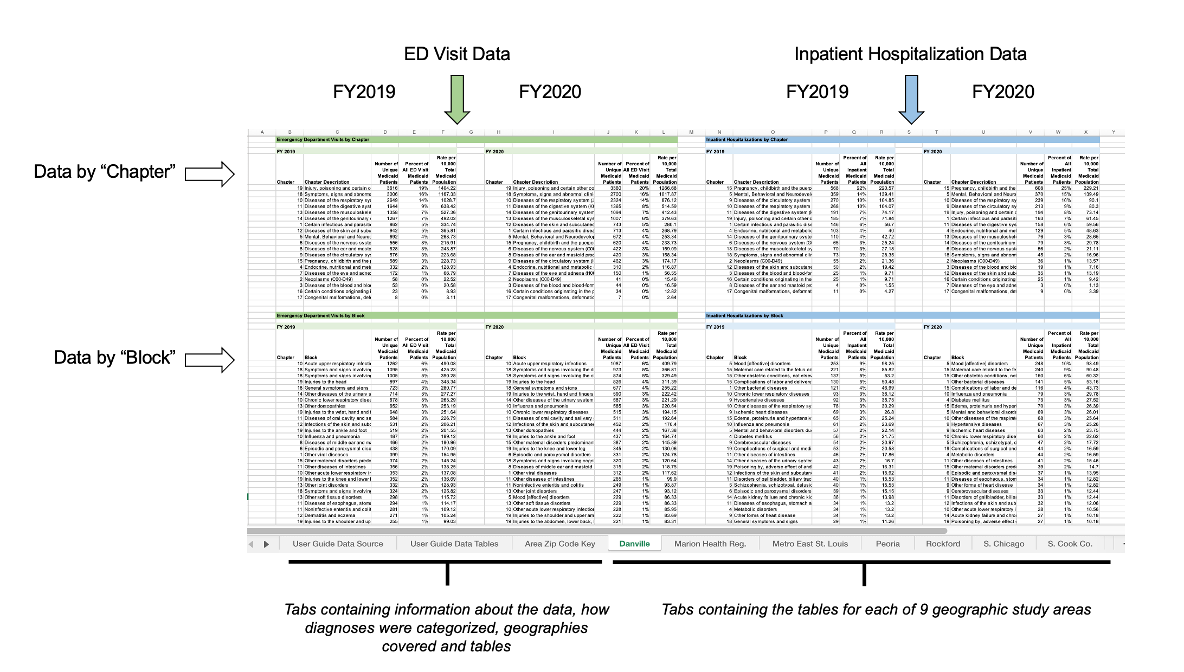
Column Header Definitions:

Chapter - the unique ICD-10-CM TABULAR LIST of DISEASES and INJURIES chapter number
Chapter Description or Block - short description of the diseases or injuries that constitute the Chapter or Block
Number of Unique Medicaid Patients - this is the number of unique Medicaid patients with an ED visit or hospitalizations for a specific ICD-10 principal diagnosis (note that patients with repeat ED visit or hospitalizations for the same diagnosis in a fiscal year are only counted once)
Percent of All ED Visit Medicaid Patients - the numerator is the number of unique Medicaid patients with an ED visits in a particular chapter or block and the denominator is all unique Medicaid patients with ED visit encounters
Percent of All Inpatient Medicaid Patients - the numerator is the number of unique Medicaid patients with an inpatient hospitalization in a particular chapter or block and the denominator is all unique Medicaid patients with inpatient hospitalizations
Rate per 10,000 Total Medicaid Population - the numerator is the number of unique Medicaid patients with an ED visit or inpatient hospitalization in a particular chapter or block and the denominator is the total number of Medicaid enrollees, for the stated geography and fiscal year (so the number of ED visits and hospitalizations are normalized by Medicaid population)

Structure of File and Tables:

