User Guide Data
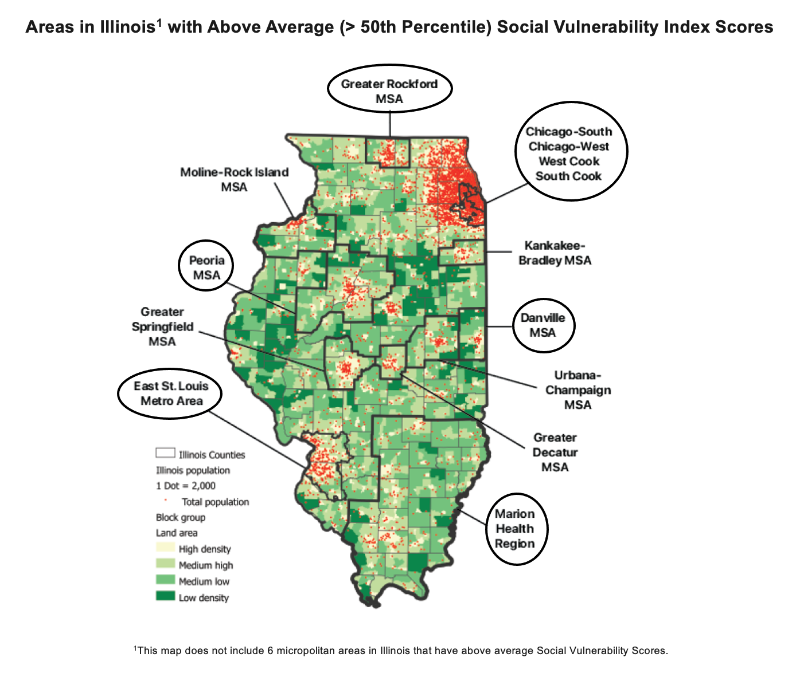
Data Source:
Illinois Department of Healthcare and Family Services. (FY2019 and FY2020). Institutional Medicaid Claims. Illnois: HFS Data Analytics.
FY2019: July 1, 2018 to June 30, 2019
FY2020: July 1, 2019 to June 30, 2020

ICD-10 (Principal Diagnosis) Categorization Schema:
-Each healthcare encounter in the Institutional Medicaid Claims is given an ICD-10 Principal Diagnosis code.
-Principal Diagnosis codes were grouped into acute, chronic and avoidable "Ambulatory Care Sensitive Conditions" (ACSCs) using a schema developed by the Agency for Healthcare Research and Quality, the lead Federal agency charged with improving the safety and quality of America's health care system.
-Ambulatory Care Sensitive Condition (ACSC) Definition: ACSCs are conditions for which good outpatient care can potentially prevent the need for Emergency Department (ED) visits and inpatient hospitalization or for which early intervention can prevent complications or more severe disease. Thus, ACSCs provide a window into unmet community health care needs.
-Acute, Chronic and Avoidable ACSC Definitions: See the "ACSC Definitions" tab.

Geographies Included in the Data:
Data covers 9 areas in Illinois with above average (> 50th percentile) Social Vulnerability Index scores (see circled areas in the map below).

User Guide File and Tables
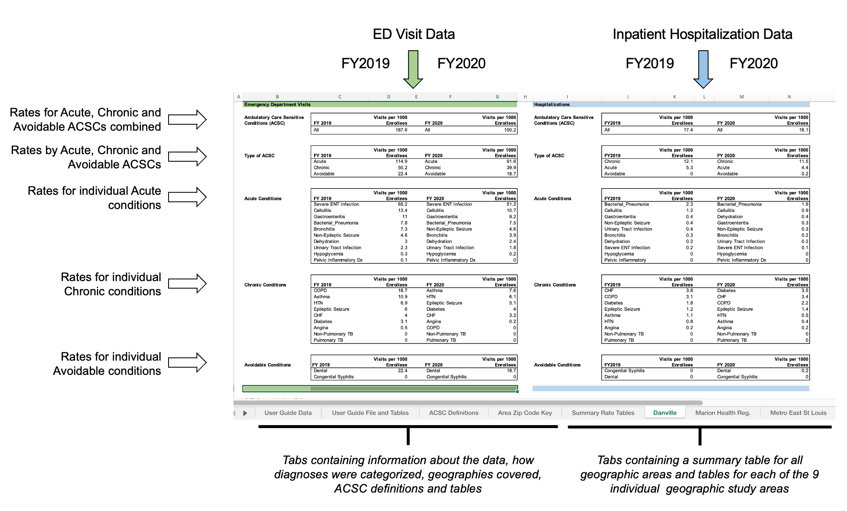
Column Header Definition:
Visits per 1000 Enrollees - the numerator is the number of ED visits or inpatient hospitalizations and the denominator is the total number of Medicaid enrollees, for the stated geography and fiscal year.

Structure of File and Tables:

